Get the app
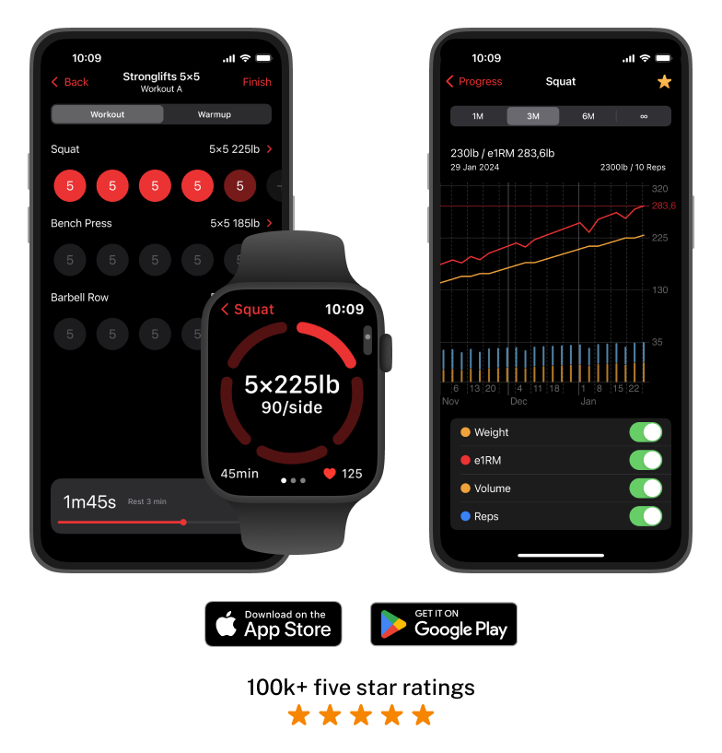
Get the Stronglifts app
We'll plan your workouts and weights for you.
Focus on lifting while we do all the thinking.

Click here to get the app

